South Australia Summary
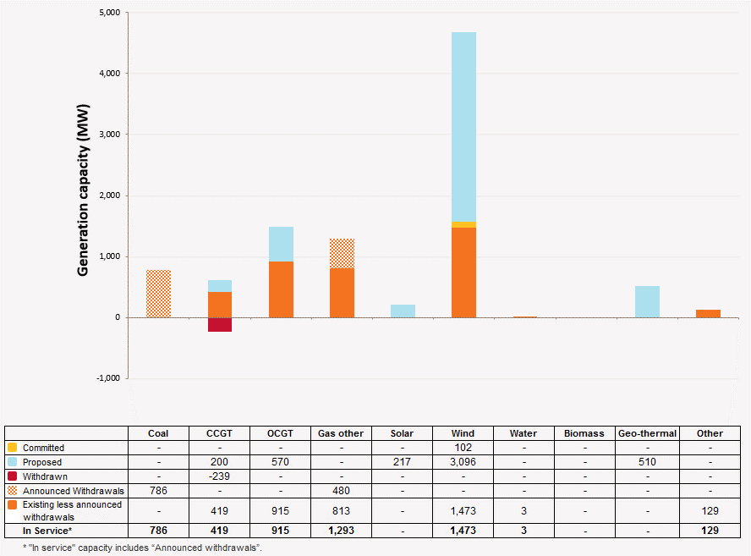
Disclaimer
This document is subject to an important disclaimer that limits or excludes AEMO's liability.
Please read the full disclaimer at http://www.aemo.com.au/Electricity/Planning/Related-Information/Generation-Information

South Australia Summary

Changes since last update
Northern Power Station: Alinta Energy advises that Northern Power Station (546 MW) is planned to cease generation around March – May 2016.
New Development: Leigh Creek Energy Project, Lincoln Gap Wind Farm, Mount Hill, Palmer Wind Farm, Pelican Point S2, Port Augusta Renewable Energy Park, Stony Gap, Waterloo, Willogoleche, Woakwine Wind Farm, Kingfisher solar storage project, Roxby Downs Solar Farm, Yorke Penninsula Biomass Energy, Infratech’s floating PV plant are added.

Generation Withdrawals
Withdrawn
Pelican Point Power Station: Pelican Point Power Limited advised that the station capacity has been reduced to half from 1 April 2015 (to 239 MW), and will be reduced to 0 MW for winter 2016.

Announced Withdrawals (i.e. Mothballed, Seasonal Shut down etc.)
Northern Power Station: Alinta Energy advises that Northern Power Station (546 MW) is planned to cease generation around March – May 2016.
Playford B Power Station: Alinta Energy advises that Playford B Power Station (240 MW) is planned to retire around March - May 2016.
Torrens Island Power Station A: AGL Energy advises that Torrens Island Power Station A (480 MW) is to be taken out of service in 2017, subject to review if market conditions change materially.

Committed projects
Coal, CCGT, OCGT, Gas other, Water, Biomass, Geo-thermal, Other : None to report.
Wind: HWF 1 Pty Ltd advises that Stage 1 of Hornsdale Wind Farm (102.4 MW) is a committed project. Full commercial operation is expected in November 2016.

Proposed Projects
Please refer to information presented in the worksheet titled 'New Developments'.

Plant Limitations
Pelican Point Power Station: Pelican Point Power Limited advises Pelican Point Power Station’s available capacity has been reduced to 0 MW (-239 MW) in winter 2016.
Playford B Power Station: Playford B Power Station's available capacity has been reduced to 0 MW.
South Australia existing and potential new developments by generation type (MW)

