Queensland Summary
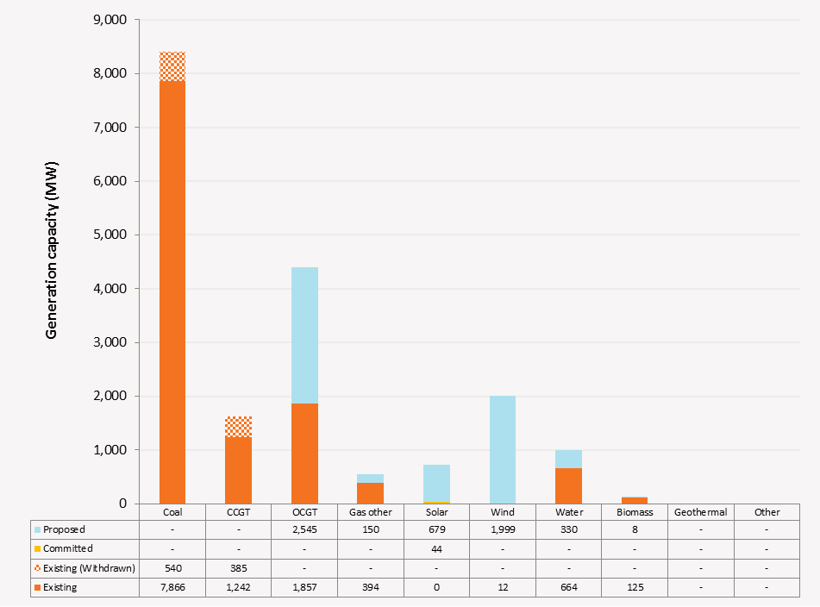
Disclaimer
This document is subject to an important disclaimer that limits or excludes AEMO's liability.
Please read the full disclaimer on the 'Disclaimer' tab of this workbook.

Queensland Summary

Committed project developments
Kogan Creek Solar Boost: CS Energy advises that the Kogan Creek Solar Boost project (44 MW) due to be completed in late 2016. Note that the 44 MW capacity is not additional to the 730/744 MW summer/winter capacities of Kogan Creek, rather it is a contribution towards the total generation.

Plant retirements
Collinsville Power Station: Ratch Australia advised that Collinsville power station will be retired in June 2016.
Mackay GT Power Station: Stanwell Corporation advised that Mackay GT will be retired at the end of 2016.
Daandine Power Station: Energy infrastructure Investments Pty Ltd advised that Daandine power station will be retired in June 2022.
Mt Stuart Power Station: Origin Energy Mt Stuart advised that Mt Stuart power station will be retired at the end of 2023.

Changes since the 2014 ESOO (existing generation)
Swanbank E Gas Power Station: Stanwell Corporation advises that the existing scheduled Swanbank E Gas Power Station (385 MW combined cycle gas turbine) will be placed in cold storage from December 2014.
Tarong Power Station: Stanwell Corporation advises that the Tarong station will revise its available capacity from 700 MW to 1050 MW (+350 MW) in summer 2014, due to the return of service of Unit 4 (DUID TARONG#4) in July 2014. The avaible capacity will be revised to 1400 MW (+350 MW) in summer 2015, due to the return of service of Unit 2 (DUID TARONG#2) in June 2015.

Plant limitations
AEMO has not been advised of any plant limitations in Queensland for the 10-year planning outlook.

Queensland existing and potential new developments by generation type (MW) data
Status / Type | Coal | CCGT | OCGT | Gas other | Solar | Wind | Water | Biomass | Geo-thermal | Other
Existing | 7,866 | 1,242 | 1,857 | 394 | 0.4 | 12 | 664 | 8 | 0 | 0
Committed | 0 | 0 | 0 | 0 | 44 | 0 | 0 | 0 | 0 | 0
Publicly announced | 0 | 0 | 2545 | 150 | 679 | 1999 | 330 | 8 | 0 | 0
Withdrawn | 540 | 385 | 0 | 0 | 0 | 0 | 0 | 0 | 0 | 0

Queensland existing and potential new developments by generation type (MW)

