New South Wales Summary
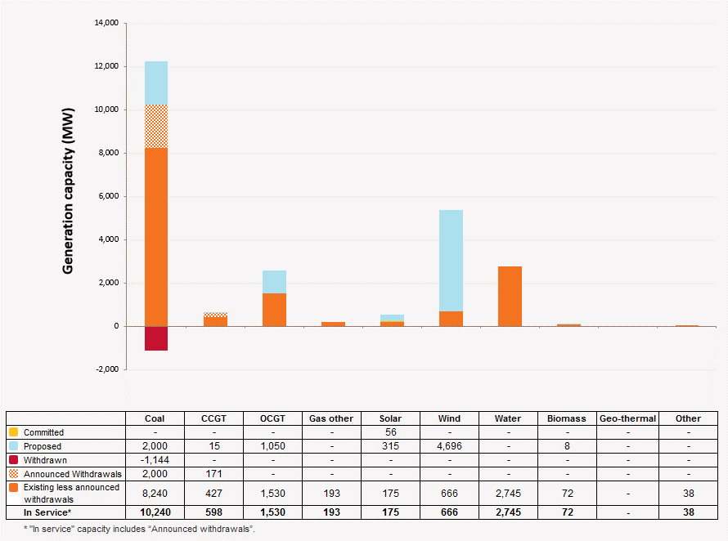
Disclaimer
This document is subject to an important disclaimer that limits or excludes AEMO's liability.
Please read the full disclaimer at http://www.aemo.com.au/Electricity/Planning/Related-Information/Generation-Information

New South Wales Summary

Changes since last update
SmithField Energy Facility: Smithfield Power Partnership advises that SmithField Energy Facility 170.9 MW) is to close on 31 July 2017.
New Development: Gidginbung Solar Farm, White Rock Solar Farm, Manildra Solar Farm, Capital Solar Farm, Parkes Solar Farm, Griffith Solar Farm, Dubbo Solar Hub, Griffith Solar Farm are added.

Generation Withdrawals
Withdrawn
None to report.

Announced Withdrawals (i.e. Mothballed, Seasonal Shut down etc.)
SmithField Energy Facility: Smithfield Power Partnership advises that SmithField Energy Facility 170.9 MW) is to close on 31 July 2017.
Liddell Power Station: AGL Energy Limited advises that Liddell C Power Station (2000 MW) is to shut down in 2022.

Committed projects
Coal, CCGT, OCGT, Gas other, Wind, Water, Biomass, Geo-thermal, Other : None to report.
Solar: Moree Solar Farm advises that Moree Solar Farm (56 MW) full commercial operation is planned for the end of March 2016.

Proposed Projects
Please refer to information presented in the worksheet titled 'New Developments'.

Plant Limitations
AEMO has not been advised of any plant limitations for this region.

New South Wales existing and potential new developments by generation type (MW)

