South Australia Summary
Disclaimer
This document is subject to an important disclaimer that limits or excludes AEMO's liability.
Please read the full disclaimer at
http://www.aemo.com.au/Electricity/National-Electricity-Market-NEM/Planning-and-forecasting/Generation-information

Data presented is current as at 22 December 2017

South Australia Summary

Changes since last update
Hornsdale Wind Farm Stage 2: HWF2 Pty Ltd advises that Hornsdale Wind Farm Stage 2 (102 MW) is operational.
Hornsdale Wind Farm Stage 3: HWF3 Pty Ltd advises that Hornsdale Wind Farm Stage 3 (109 MW) is operational.
Hornsdale Power Reserve: Hornsdale Power Reserve Pty Ltd advises that Hornsdale Power Reserve Unit 1 (100 MW / 129 MWh) battery storage is operational.
Lincoln Gap Wind Farm Stage 1: Lincoln Gap Wind Farm Pty Ltd advises that Lincoln Gap Wind Farm Stage 1 (126 MW) is now a committed project.
Willogoleche Wind Farm: Willogoleche Power Pty Ltd advises that Willogoleche Wind Farm (119 MW) is now a committed project.

Generation withdrawals
Withdrawn
AEMO has not been advised of any plant that are currently withdrawn from this region.

Announced withdrawals (i.e. Mothballed, Seasonal Shut down etc.)
AEMO has not been advised of any announcements of plant that are to be withdrawn from this region.

Committed projects
Coal, CCGT, OCGT, Gas other, Water, Biomass, Geo-thermal, Other : None to report.
Solar: Bungala Solar Power Project (220 MW)
Wind: Lincoln Gap Wind Farm Stage 1 (126 MW), Willogoleche Wind Farm (119 MW)

Proposed projects
Please refer to information presented in the worksheet titled 'New Developments'.

Plant limitations
AEMO has not been advised of any plant limitations for this region.

South Australia existing and potential new developments by generation type (MW)
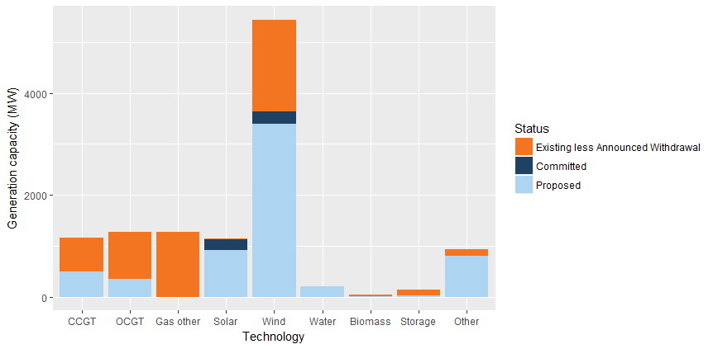

Status | Coal | CCGT | OCGT | Gas other | Solar | Wind | Water | Biomass | Storage | Other | Total
Existing | 0.0 | 658.0 | 914.8 | 1280.0 | 4.7 | 1806.1 | 2.5 | 18.2 | 100.0 | 131.7 | 4916.0
Announced Withdrawal | 0.0 | 0.0 | 0.0 | 0.0 | 0.0 | 0.0 | 0.0 | 0.0 | 0.0 | 0.0 | 0.0
Existing less Announced Withdrawal | 0.0 | 658.0 | 914.8 | 1280.0 | 4.7 | 1806.1 | 2.5 | 18.2 | 100.0 | 131.7 | 4916.0
Committed | 0.0 | 0.0 | 4.0 | 0.0 | 220.0 | 245.0 | 0.0 | 0.0 | 0.0 | 0.0 | 469.0
Proposed | 0.0 | 500.0 | 350.0 | 0.0 | 911.7 | 3393.8 | 200.0 | 15.0 | 30.0 | 805.8 | 6206.3
Withdrawn | 0.0 | 0.0 | 0.0 | 0.0 | 0.0 | 0.0 | 0.0 | 0.0 | 0.0 | 0.0 | 0.0
Note: Existing includes Announced Withdrawal
* Excludes rooftop PV installations

