Queensland Summary
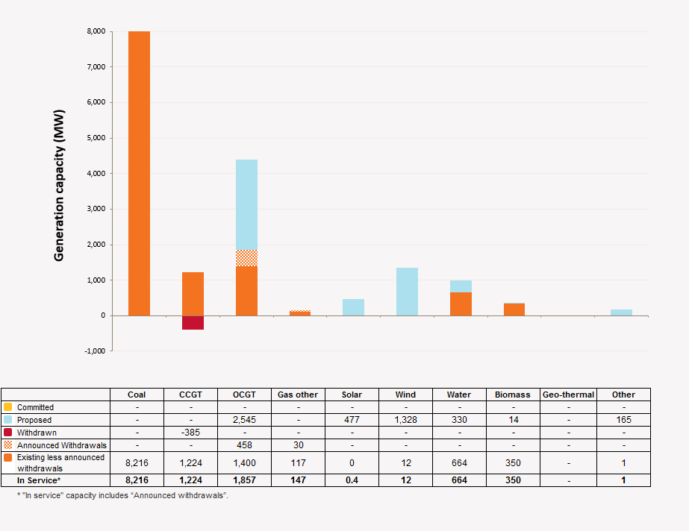
Disclaimer
This document is subject to an important disclaimer that limits or excludes AEMO's liability.
Please read the full disclaimer at http://www.aemo.com.au/Electricity/Planning/Related-Information/Generation-Information

Queensland Summary

Changes since last update

Tarong Power Station: Stanwell Corporation advises that Tarong Unit 2 has been returned to service.
Swanbank E: The plant has been placed into cold storage until 1 July 2017. At this stage will be available in July 2017, Summer 2018 and beyond.
Barcaldine Power Station: Correction on the 18-MW Steam Turbine being already decommissioned.
Kogan Creek Solar Boost: CS Energy stated that the solar boost will not be completed
New Development: Oakey Solar Farm, Longreach Solar Farm, Baralaba Solar Farm, Kidston Solar Project, Ebenezer Solar Project, North Queensland Solar Farm, Kennedy Energy Park, Darling Downs Solar Farm, Hughenden Sun Farm, Collinsville Solar Power Station, Landfill Gas Industries biogas-fired generators, Barcaldine Remote Community Solar Farm are added.

Generation Withdrawals
Withdrawn
Swanbank E: The plant has been placed into cold storage until 1 July 2017. At this stage will be available in July 2017, Summer 2018 and beyond.

Announced Withdrawals (i.e. Mothballed, Seasonal Shut down etc.)
Mackay GT Power Station: Stanwell Corporation advised that Mackay GT will be retired at the end of financial year 2016-17.
Daandine Power Station: Energy infrastructure Investments Pty Ltd advised that Daandine Power Station will be retired in June 2022.
Mt Stuart Power Station: Origin Energy Mt Stuart advised that Mt Stuart Power Station will be retired at the end of 2023.

Committed projects
Coal, CCGT, OCGT, Gas other, Wind, Water, Biomass, Geo-thermal, Other : None to report.
Solar: CS Energy advises that the Kogan Creek Solar Boost project (44 MW) due to be completed in late 2016. Note that the 44 MW capacity is not additional to the 730/744 MW summer/winter capacities of Kogan Creek, rather it is a contribution towards the total generation.

Proposed Projects
Please refer to information presented in the worksheet titled 'New Developments'.

Plant Limitations
Swanbank E: The plant has been placed into cold storage until 1 July 2017. At this stage will be available in July 2017, Summer 2018 and beyond.

Queensland existing and potential new developments by generation type (MW)

