Overview
Version | 10
Last Updated By: | AEMO
Date (updated quarterly): | 2021-06-28

5MS Industry Risks & Issues Register (Updated Quarterly)

Purpose
The 5MS Industry Risks & Issues Register facilitates the monitoring and reporting of industry risks and issues identified within the program. |  | Trend Key

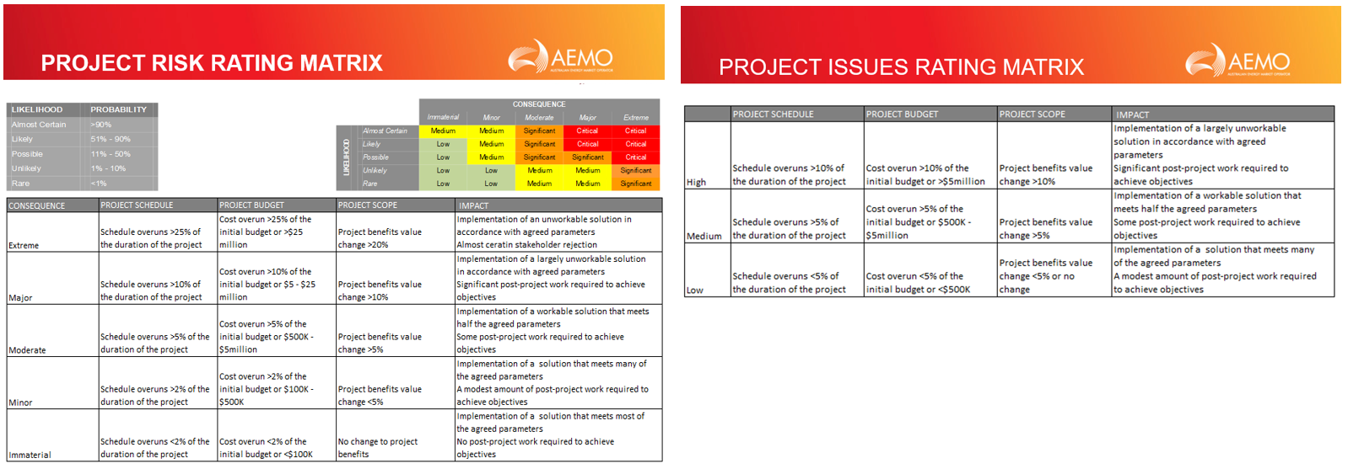
This register contains 3 tabs: • Overview (this tab) – provides a brief introduction to the register. Also contains the register version number as well as the date it was last updated. • Industry Risk Register – contains all 5MS Industry Risks identified by stakeholders through the forums, working groups and other meetings • Industry Issue Register – contains all 5MS Industry Issues identified by stakeholders through the forums, working groups and other meetings. |  |  | Improving No Change / Stable Worsened
 |  |  | No Change
 |  |  | Worsened

